Tornado Chart
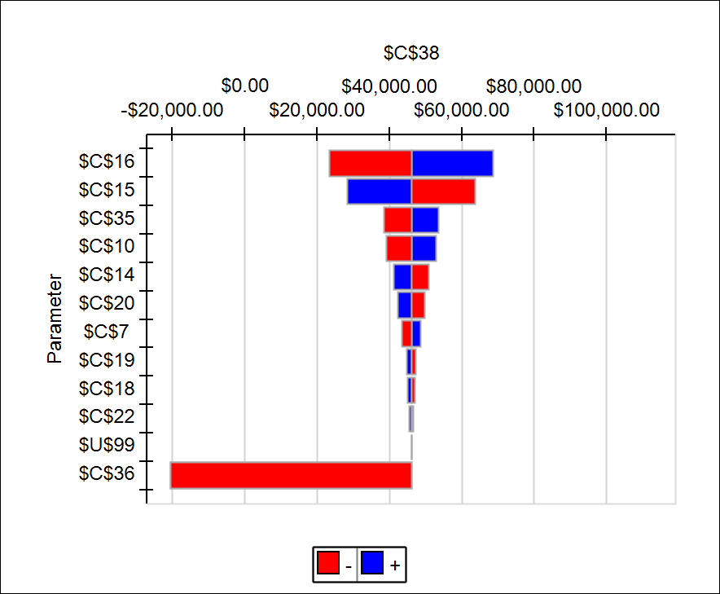

Sensitivity Analysis
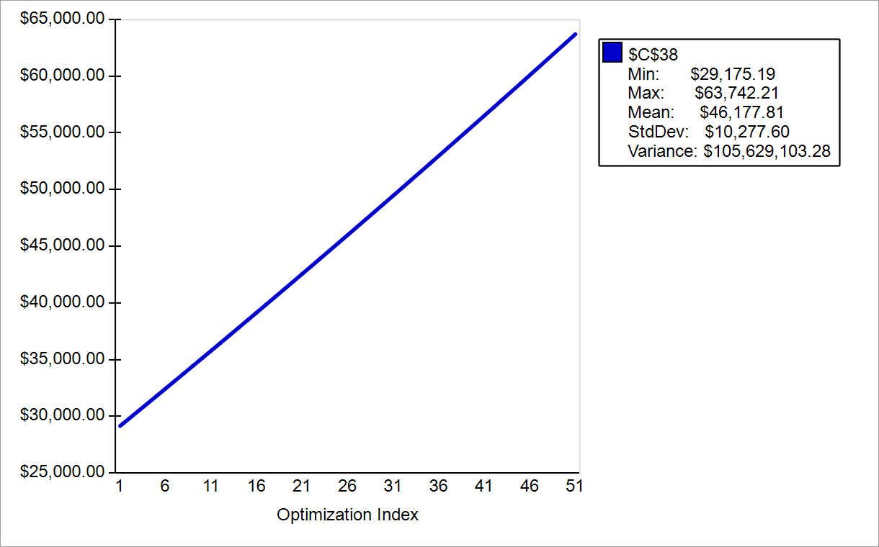
$C$17 | $C$38
-1.0% | $29,175.19
-0.9% | $29,863.75
-0.8% | $30,522.99
-0.7% | $31,183.58
-0.6% | $31,845.51
-0.5% | $32,508.79
-0.4% | $33,173.42
-0.3% | $33,839.40
-0.2% | $34,506.73
-0.1% | $35,175.41
0.0% | $35,845.45
0.1% | $36,516.84
0.2% | $37,189.59
0.3% | $37,863.70
0.4% | $38,539.17
0.5% | $39,216.00
0.6% | $39,894.19
0.7% | $40,573.74
0.8% | $41,254.66
0.9% | $41,936.94
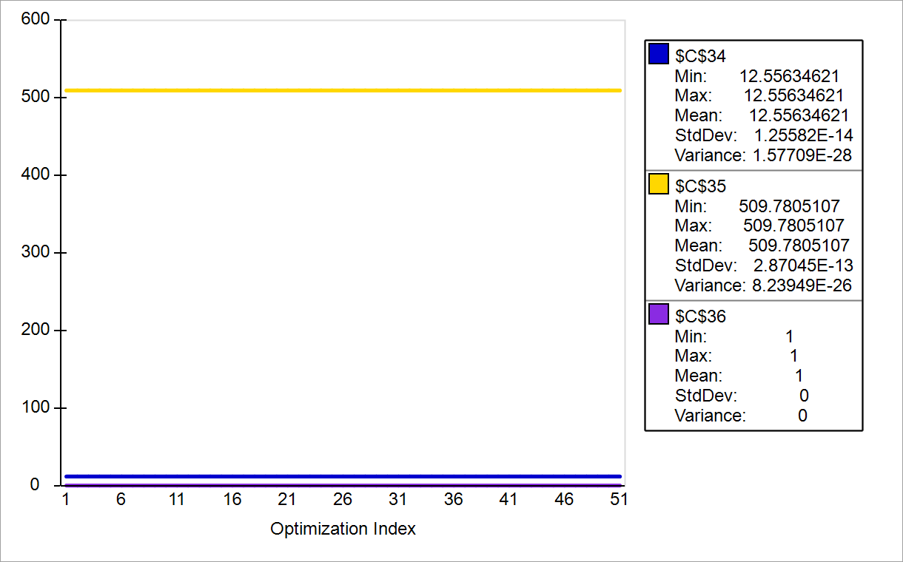
1.0% | $42,620.60
1.1% | $43,305.62
1.2% | $43,992.01
1.3% | $44,679.77
1.4% | $45,368.91
1.5% | $46,059.42
1.6% | $46,751.31
1.7% | $47,444.57
1.8% | $48,139.21
1.9% | $48,835.23
2.0% | $49,532.64
2.1% | $50,231.42
2.2% | $50,931.59
2.3% | $51,633.15
2.4% | $52,336.09
2.5% | $53,040.42
2.6% | $53,746.14
2.7% | $54,453.25
2.8% | $55,161.75
2.9% | $55,871.65
3.0% | $56,582.94
3.1% | $57,295.63
3.2% | $58,009.71
3.3% | $58,725.20
3.4% | $59,442.08
3.5% | $60,160.37
3.6% | $60,880.06
3.7% | $61,601.15
3.8% | $62,323.65
3.9% | $63,047.55
4.0% | $63,772.87

Simulation on house rate
Rent or Buy?
11/04/2019
Group 8

Parameters
 | Base Money
 | Base Money of Scott | $25,000.00
 | Money from Parent | $25,000.00
 | Roommates
 | Number of Roommates | 4
 | Bank
 | Annual Bank Interest Rate | 1%
Buying | House Selling
 | Original Principal | $47,800.00
 | Remained Mortgage | $176,908.31
 | Original House Value | $239,000.00 | 2012 | 2013 | 2014
 | House Price Increase Rate | 2% | 0.058133197895 | 0.080634223444 | 0.081815617617
 | Annual Property Tax Rate | 1.4427%
 | Commission Rate | 5%
 | Monthly Mortgage Payment | $1,003.95
 | Utilities
 | Total maintenance for 3 years | $6,000.00
 | Annual Insurance (paid at the start of 12 month period) | $1,200.00
 | Internet &TV monthly payment for 8 months | $70.00
 | Water Heater per every 3 months | $120.00
 | Monthly Gas per month(Mar, Apr, Sep, Oct) | $30.00 | November to February | $45.00 | May to August | $15.00
 | Monthly Hydro per month (Mar, Apr, Sep, Oct) | $100.00 | November to February | $150.00 | May to August | $50.00
 | Increase in utilities in inclusive deal | 20%
Renting | Rent Payment
 | Non-Inclusive | 435
 | Inclusive | 510

Decisions | Rent Charge
 | Non-Inclusive | 21.973878866 | <= | 435
 | Inclusive | 509.9790066 | <= | 510
 | Inclusive indicator | 1 | <= | 1
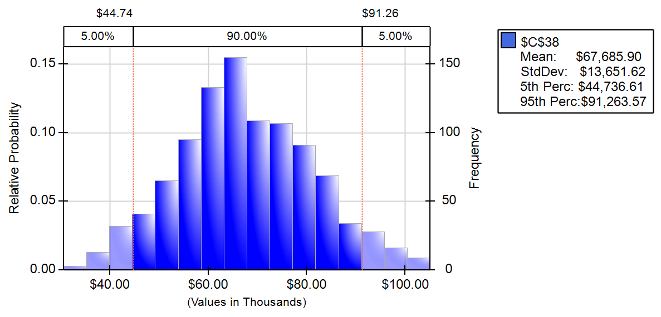
Output | Balance for buying | $89,446.27
 | Balance for renting | $8,613.95
 | Decisions | Buy it

Calculation
Buying | Total money left of buying | $89,446.27
 | Total base money | $50,000.00
 | Final balance | $114,446.27
 | Housing selling profit | $103,954.22
 | Final value of the house | $295,644.77
 | Commission | $14,782.24
 | Final bank balance | $10,492.04
Renting | Final balance for renting non-inclusive one | $8,613.95
 | Final balance for renting Inclusive one | $7,115.22
 | Rent non-inclusive one | $8,613.95

 | Utilities | Jan | Feb | March | April | May | June | July | Aug | Sep | Oct | Nov | Dec
 | Hydro | $150.00 | $150.00 | $100.00 | $100.00 | $50.00 | $50.00 | $50.00 | $50.00 | $100.00 | $100.00 | $150.00 | $150.00
 | Gas | $45.00 | $45.00 | $30.00 | $30.00 | $15.00 | $15.00 | $15.00 | $15.00 | $30.00 | $30.00 | $45.00 | $45.00
 | Water Heater | $120.00 | 0 | 0 | $120.00 | 0 | 0 | $120.00 | 0 | 0 | $120.00 | 0 | 0
 | SUM | $315.00 | $195.00 | $130.00 | $250.00 | $65.00 | $65.00 | $185.00 | $65.00 | $130.00 | $250.00 | $195.00 | $195.00
 | SUM/PERSON | $63.00 | $39.00 | $26.00 | $50.00 | $13.00 | $13.00 | $37.00 | $13.00 | $26.00 | $50.00 | $39.00 | $39.00

 |  | Renting |  |  |  |  |  |  |  |  |  |  |  | Buying
 |  | Non-inclusive |  |  |  |  |  | Inclusive |  |  |  |  |  |  | Expenses |  |  |  |  |  |  | Revenue
 |  | Account Base | Monthly Fee | Beginning of month Balance | interest | Total balance |  | Account Base | Monthly Fee | End-of-month Balance | interest | total |  | Account Base | Mortgage | tax | insurance | maintenance | Utility per person | internet&TV per person | Total Expense | Rent Revenue for 4 person | balance | after interest balance
 | Month 1 | $25,000.00 | $498.00 | $24,502.00 | $20.42 | $24,522.42 |  | $25,000.00 | $510.00 | $24,490.00 | $20.41 | $24,510.41 |  | $2,200.00 | $1,003.95 | $287.34 | $1,200.00 | $166.67 | $63.00 | $70.00 | $3,105.95 | $2,039.92 | $1,133.96 | $1,134.91
 | Month 2 | $24,522.42 | $474.00 | $24,048.42 | $20.04 | $24,068.46 |  | $24,510.41 | $510.00 | $24,000.41 | $20.00 | $24,020.41 |  | $1,134.91 | $1,003.95 | $287.34 | 0 | $166.67 | $39.00 | $70.00 | $1,761.95 | $2,039.92 | $1,412.87 | $1,414.05
 | Month 3 | $24,068.46 | $461.00 | $23,607.46 | $19.67 | $23,627.13 |  | $24,020.41 | $510.00 | $23,510.41 | $19.59 | $23,530.00 |  | $1,414.05 | $1,003.95 | $287.34 | 0 | $166.67 | $26.00 | $70.00 | $1,683.95 | $2,039.92 | $1,770.01 | $1,771.48
 | Month 4 | $23,627.13 | $485.00 | $23,142.13 | $19.29 | $23,161.42 |  | $23,530.00 | $510.00 | $23,020.00 | $19.18 | $23,039.18 |  | $1,771.48 | $1,003.95 | $287.34 | 0 | $166.67 | $50.00 | $70.00 | $1,827.95 | $2,039.92 | $1,983.44 | $1,985.10
 | Month 5 | $23,161.42 | $448.00 | $22,713.42 | $18.93 | $22,732.34 |  | $23,039.18 | $510.00 | $22,529.18 | $18.77 | $22,547.96 |  | $1,985.10 | $1,003.95 | $287.34 | 0 | $166.67 | $13.00 | $70.00 | $1,605.95 | $2,039.92 | $2,419.06 | $2,421.07
 | Month 6 | $22,732.34 | $448.00 | $22,284.34 | $18.57 | $22,302.91 |  | $22,547.96 | $510.00 | $22,037.96 | $18.36 | $22,056.32 |  | $2,421.07 | $1,003.95 | $287.34 | 0 | $166.67 | $13.00 | $70.00 | $1,605.95 | $2,039.92 | $2,855.04 | $2,857.41
 | Month 7 | $22,302.91 | $472.00 | $21,830.91 | $18.19 | $21,849.11 |  | $22,056.32 | $510.00 | $21,546.32 | $17.96 | $21,564.28 |  | $2,857.41 | $1,003.95 | $287.34 | 0 | $166.67 | $37.00 | $70.00 | $1,749.95 | $2,039.92 | $3,147.38 | $3,150.00
 | Month 8 | $21,849.11 | $448.00 | $21,401.11 | $17.83 | $21,418.94 |  | $21,564.28 | $510.00 | $21,054.28 | $17.55 | $21,071.82 |  | $3,150.00 | $1,003.95 | $287.34 | 0 | $166.67 | $13.00 | $70.00 | $1,605.95 | $2,039.92 | $3,583.96 | $3,586.95
 | Month 9 | $21,418.94 | $461.00 | $20,957.94 | $17.46 | $20,975.41 |  | $21,071.82 | $510.00 | $20,561.82 | $17.13 | $20,578.96 |  | $3,586.95 | $1,003.95 | $287.34 | 0 | $166.67 | $26.00 | 0 | $1,613.95 | $2,039.92 | $4,012.91 | $4,016.25
 | Month 10 | $20,975.41 | $485.00 | $20,490.41 | $17.08 | $20,507.48 |  | $20,578.96 | $510.00 | $20,068.96 | $16.72 | $20,085.68 |  | $4,016.25 | $1,003.95 | $287.34 | 0 | $166.67 | $50.00 | 0 | $1,757.95 | $2,039.92 | $4,298.21 | $4,301.80
 | Month 11 | $20,507.48 | $474.00 | $20,033.48 | $16.69 | $20,050.18 |  | $20,085.68 | $510.00 | $19,575.68 | $16.31 | $19,592.00 |  | $4,301.80 | $1,003.95 | $287.34 | 0 | $166.67 | $39.00 | 0 | $1,691.95 | $2,039.92 | $4,649.76 | $4,653.63
 | Month 12 | $20,050.18 | $474.00 | $19,576.18 | $16.31 | $19,592.49 |  | $19,592.00 | $510.00 | $19,082.00 | $15.90 | $19,097.90 |  | $4,653.63 | $1,003.95 | $287.34 | 0 | $166.67 | $39.00 | 0 | $1,691.95 | $2,039.92 | $5,001.59 | $5,005.76
 | Month 13 | $19,592.49 | $498.00 | $19,094.49 | $15.91 | $19,110.40 |  | $19,097.90 | $510.00 | $18,587.90 | $15.49 | $18,603.39 |  | $5,005.76 | $1,003.95 | $293.08 | $1,200.00 | $166.67 | $63.00 | $70.00 | $3,111.70 | $2,039.92 | $3,933.98 | $3,937.26
 | Month 14 | $19,110.40 | $474.00 | $18,636.40 | $15.53 | $18,651.93 |  | $18,603.39 | $510.00 | $18,093.39 | $15.08 | $18,108.47 |  | $3,937.26 | $1,003.95 | $293.08 | 0 | $166.67 | $39.00 | $70.00 | $1,767.70 | $2,039.92 | $4,209.47 | $4,212.98
 | Month 15 | $18,651.93 | $461.00 | $18,190.93 | $15.16 | $18,206.09 |  | $18,108.47 | $510.00 | $17,598.47 | $14.67 | $17,613.13 |  | $4,212.98 | $1,003.95 | $293.08 | 0 | $166.67 | $26.00 | $70.00 | $1,689.70 | $2,039.92 | $4,563.19 | $4,567.00
 | Month 16 | $18,206.09 | $485.00 | $17,721.09 | $14.77 | $17,735.86 |  | $17,613.13 | $510.00 | $17,103.13 | $14.25 | $17,117.38 |  | $4,567.00 | $1,003.95 | $293.08 | 0 | $166.67 | $50.00 | $70.00 | $1,833.70 | $2,039.92 | $4,773.21 | $4,777.19
 | Month 17 | $17,735.86 | $448.00 | $17,287.86 | $14.41 | $17,302.27 |  | $17,117.38 | $510.00 | $16,607.38 | $13.84 | $16,621.22 |  | $4,777.19 | $1,003.95 | $293.08 | 0 | $166.67 | $13.00 | $70.00 | $1,611.70 | $2,039.92 | $5,205.40 | $5,209.74
 | Month 18 | $17,302.27 | $448.00 | $16,854.27 | $14.05 | $16,868.31 |  | $16,621.22 | $510.00 | $16,111.22 | $13.43 | $16,124.65 |  | $5,209.74 | $1,003.95 | $293.08 | 0 | $166.67 | $13.00 | $70.00 | $1,611.70 | $2,039.92 | $5,637.96 | $5,642.65
 | Month 19 | $16,868.31 | $472.00 | $16,396.31 | $13.66 | $16,409.97 |  | $16,124.65 | $510.00 | $15,614.65 | $13.01 | $15,627.66 |  | $5,642.65 | $1,003.95 | $293.08 | 0 | $166.67 | $37.00 | $70.00 | $1,755.70 | $2,039.92 | $5,926.87 | $5,931.81
 | Month 20 | $16,409.97 | $448.00 | $15,961.97 | $13.30 | $15,975.28 |  | $15,627.66 | $510.00 | $15,117.66 | $12.60 | $15,130.26 |  | $5,931.81 | $1,003.95 | $293.08 | 0 | $166.67 | $13.00 | $70.00 | $1,611.70 | $2,039.92 | $6,360.02 | $6,365.32
 | Month 21 | $15,975.28 | $461.00 | $15,514.28 | $12.93 | $15,527.20 |  | $15,130.26 | $510.00 | $14,620.26 | $12.18 | $14,632.44 |  | $6,365.32 | $1,003.95 | $293.08 | 0 | $166.67 | $26.00 | 0 | $1,619.70 | $2,039.92 | $6,785.54 | $6,791.19
 | Month 22 | $15,527.20 | $485.00 | $15,042.20 | $12.54 | $15,054.74 |  | $14,632.44 | $510.00 | $14,122.44 | $11.77 | $14,134.21 |  | $6,791.19 | $1,003.95 | $293.08 | 0 | $166.67 | $50.00 | 0 | $1,763.70 | $2,039.92 | $7,067.41 | $7,073.30
 | Month 23 | $15,054.74 | $474.00 | $14,580.74 | $12.15 | $14,592.89 |  | $14,134.21 | $510.00 | $13,624.21 | $11.35 | $13,635.56 |  | $7,073.30 | $1,003.95 | $293.08 | 0 | $166.67 | $39.00 | 0 | $1,697.70 | $2,039.92 | $7,415.51 | $7,421.69
 | Month 24 | $14,592.89 | $474.00 | $14,118.89 | $11.77 | $14,130.66 |  | $13,635.56 | $510.00 | $13,125.56 | $10.94 | $13,136.50 |  | $7,421.69 | $1,003.95 | $293.08 | 0 | $166.67 | $39.00 | 0 | $1,697.70 | $2,039.92 | $7,763.91 | $7,770.38
 | Month 25 | $14,130.66 | $498.00 | $13,632.66 | $11.36 | $13,644.02 |  | $13,136.50 | $510.00 | $12,626.50 | $10.52 | $12,637.02 |  | $7,770.38 | $1,003.95 | $298.95 | $1,200.00 | $166.67 | $63.00 | $70.00 | $3,117.56 | $2,039.92 | $6,692.73 | $6,698.31
 | Month 26 | $13,644.02 | $474.00 | $13,170.02 | $10.98 | $13,180.99 |  | $12,637.02 | $510.00 | $12,127.02 | $10.11 | $12,137.13 |  | $6,698.31 | $1,003.95 | $298.95 | 0 | $166.67 | $39.00 | $70.00 | $1,773.56 | $2,039.92 | $6,964.66 | $6,970.46
 | Month 27 | $13,180.99 | $461.00 | $12,719.99 | $10.60 | $12,730.59 |  | $12,137.13 | $510.00 | $11,627.13 | $9.69 | $11,636.82 |  | $6,970.46 | $1,003.95 | $298.95 | 0 | $166.67 | $26.00 | $70.00 | $1,695.56 | $2,039.92 | $7,314.82 | $7,320.91
 | Month 28 | $12,730.59 | $485.00 | $12,245.59 | $10.20 | $12,255.80 |  | $11,636.82 | $510.00 | $11,126.82 | $9.27 | $11,136.09 |  | $7,320.91 | $1,003.95 | $298.95 | 0 | $166.67 | $50.00 | $70.00 | $1,839.56 | $2,039.92 | $7,521.27 | $7,527.53
 | Month 29 | $12,255.80 | $448.00 | $11,807.80 | $9.84 | $11,817.64 |  | $11,136.09 | $510.00 | $10,626.09 | $8.86 | $10,634.95 |  | $7,527.53 | $1,003.95 | $298.95 | 0 | $166.67 | $13.00 | $70.00 | $1,617.56 | $2,039.92 | $7,949.89 | $7,956.51
 | Month 30 | $11,817.64 | $448.00 | $11,369.64 | $9.47 | $11,379.11 |  | $10,634.95 | $510.00 | $10,124.95 | $8.44 | $10,133.38 |  | $7,956.51 | $1,003.95 | $298.95 | 0 | $166.67 | $13.00 | $70.00 | $1,617.56 | $2,039.92 | $8,378.86 | $8,385.85
 | Month 31 | $11,379.11 | $472.00 | $10,907.11 | $9.09 | $10,916.20 |  | $10,133.38 | $510.00 | $9,623.38 | $8.02 | $9,631.40 |  | $8,385.85 | $1,003.95 | $298.95 | 0 | $166.67 | $37.00 | $70.00 | $1,761.56 | $2,039.92 | $8,664.20 | $8,671.42
 | Month 32 | $10,916.20 | $448.00 | $10,468.20 | $8.72 | $10,476.92 |  | $9,631.40 | $510.00 | $9,121.40 | $7.60 | $9,129.01 |  | $8,671.42 | $1,003.95 | $298.95 | 0 | $166.67 | $13.00 | $70.00 | $1,617.56 | $2,039.92 | $9,093.77 | $9,101.35
 | Month 33 | $10,476.92 | $461.00 | $10,015.92 | $8.35 | $10,024.27 |  | $9,129.01 | $510.00 | $8,619.01 | $7.18 | $8,626.19 |  | $9,101.35 | $1,003.95 | $298.95 | 0 | $166.67 | $26.00 | 0 | $1,625.56 | $2,039.92 | $9,515.71 | $9,523.63
 | Month 34 | $10,024.27 | $485.00 | $9,539.27 | $7.95 | $9,547.22 |  | $8,626.19 | $510.00 | $8,116.19 | $6.76 | $8,122.95 |  | $9,523.63 | $1,003.95 | $298.95 | 0 | $166.67 | $50.00 | 0 | $1,769.56 | $2,039.92 | $9,793.99 | $9,802.15
 | Month 35 | $9,547.22 | $474.00 | $9,073.22 | $7.56 | $9,080.78 |  | $8,122.95 | $510.00 | $7,612.95 | $6.34 | $7,619.30 |  | $9,802.15 | $1,003.95 | $298.95 | 0 | $166.67 | $39.00 | 0 | $1,703.56 | $2,039.92 | $10,138.50 | $10,146.95
 | Month 36 | $9,080.78 | $474.00 | $8,606.78 | $7.17 | $8,613.95 |  | $7,619.30 | $510.00 | $7,109.30 | $5.92 | $7,115.22 |  | $10,146.95 | $1,003.95 | $298.95 | 0 | $166.67 | $39.00 | 0 | $1,703.56 | $2,039.92 | $10,483.30 | $10,492.04

 |  |  |  |  |  |  |  |  |  |  |  |  |  |  |  |  |  |  |  |  |  | sell price of house | $295,644.77
Assumptions: |  |  |  |  |  |  |  |  |  |  |  |  |  |  |  |  |  |  |  |  |  | remained mortgage | $176,908.31
 | Assume the rent or buy begins on January 2012, just after the end of Scott's first semester. |  |  |  |  |  |  |  |  |  |  |  |  |  |  |  |  |  |  |  |  | sell profit | $103,954.22
 | Assume the utilities of Non-inclusive Rent also fluctuate by season, and keep the fluctuation same as the Buying case. |  |  |  |  |  |  |  |  |  |  |  |  |  |  |  |  |  |  |  |  | Final Balance | $89,446.27
 | It is assumed that Scott's friends would choose a place to rent based on the rent price; compares the rent price offered by Scott and other options to pick the one that costs them the least

Utility Simulation
Rent or Buy?
11/04/2019
Group 8

Parameters
 | Base Money
 | Base Money of Scott | $25,000.00
 | Money from Parent | $25,000.00
 | Roommates
 | Number of Roommates | 4
 | Bank
 | Annual Bank Interest Rate | 1%
Buying | House Selling
 | Original Principal | $47,800.00
 | Remained Mortgage | $176,908.31
 | Original House Value | $239,000.00
 | House Price Increase Rate | 2%
 | Annual Property Tax Rate | 1.4427%
 | Commission Rate | 5%
 | Monthly Mortgage Payment | $1,003.95
 | Utilities
 | Total maintenance for 3 years | $6,000.00
 | Annual Insurance (paid at the start of 12 month period) | $1,200.00
 | Internet &TV monthly payment for 8 months | $70.00
 | Water Heater per every 3 months | $120.00
 | Monthly Gas per month(Mar, Apr, Sep, Oct) | $30.00 | November to February | $45.00 | May to August | $15.00
 | Monthly Hydro per month (Mar, Apr, Sep, Oct) | $100.00 | November to February | $150.00 | May to August | $50.00
 | Increase in utilities in inclusive deal | 20%
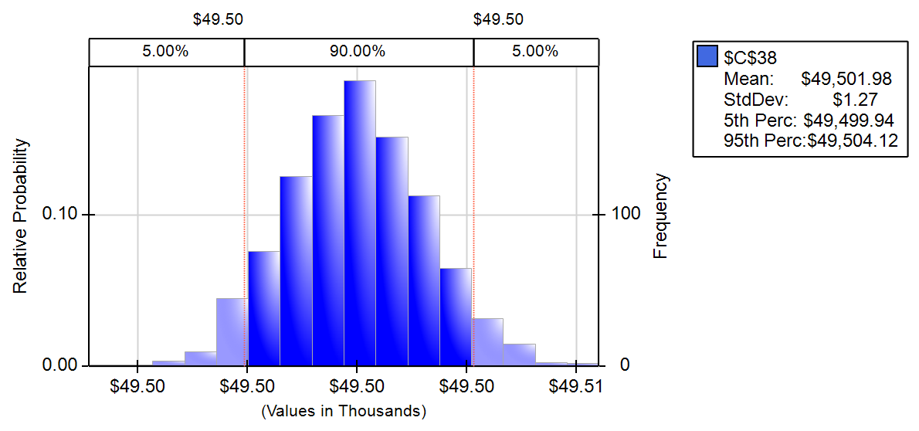
Renting | Rent Payment
 | Non-Inclusive | 435
 | Inclusive | 510

Decisions | Rent Charge
 | Non-Inclusive | 12.556346207 | <= | 435
 | Inclusive | 509.78051072 | <= | 510
 | Inclusive indicator | 1 | <= | 1

Output | Balance for buying | $49,503.72
 | Balance for renting | $8,614.24
 | Decisions | Buy it

Calculation
Buying | Total money left of buying | $49,503.72
 | Total base money | $50,000.00
 | Final balance | $74,503.72
 | Housing selling profit | $64,038.97
 | Final value of the house | $253,628.71
 | Commission | $12,681.44
 | Final bank balance | $10,464.75
Renting | Final balance for renting non-inclusive one | $8,614.24
 | Final balance for renting Inclusive one | $7,115.22
 | Rent non-inclusive one | $8,614.24

 | Utilities | Jan | Feb | March | April | May | June | July | Aug | Sep | Oct | Nov | Dec
 | Hydro | $149.80 | $150.01 | $99.67 | $99.86 | $50.15 | $50.09 | $49.92 | $50.06 | $100.13 | $100.04 | $149.90 | $149.90
 | Gas | $45.00 | $45.00 | $30.00 | $30.00 | $15.00 | $15.00 | $15.00 | $15.00 | $30.00 | $30.00 | $45.00 | $45.00
 | Water Heater | $120.00 | 0 | 0 | $120.00 | 0 | 0 | $120.00 | 0 | 0 | $120.00 | 0 | 0
 | SUM | $314.80 | $195.01 | $129.67 | $249.86 | $65.15 | $65.09 | $184.92 | $65.06 | $130.13 | $250.04 | $194.90 | $194.90
 | SUM/PERSON | $62.96 | $39.00 | $25.93 | $49.97 | $13.03 | $13.02 | $36.98 | $13.01 | $26.03 | $50.01 | $38.98 | $38.98

 |  | Renting |  |  |  |  |  |  |  |  |  |  |  | Buying
 |  | Non-inclusive |  |  |  |  |  | Inclusive |  |  |  |  |  |  | Expenses |  |  |  |  |  |  | Revenue
 |  | Account Base | Monthly Fee | Beginning of month Balance | interest | Total balance |  | Account Base | Monthly Fee | End-of-month Balance | interest | total |  | Account Base | Mortgage | tax | insurance | maintenance | Utility per person | internet&TV per person | Total Expense | Rent Revenue for 4 person | balance | after interest balance
 | Month 1 | $25,000.00 | $497.96 | $24,502.04 | $20.42 | $24,522.46 |  | $25,000.00 | $510.00 | $24,490.00 | $20.41 | $24,510.41 |  | $2,200.00 | $1,003.95 | $287.34 | $1,200.00 | $166.67 | $62.96 | $70.00 | $3,105.71 | $2,039.12 | $1,133.41 | $1,134.35
 | Month 2 | $24,522.46 | $474.00 | $24,048.46 | $20.04 | $24,068.50 |  | $24,510.41 | $510.00 | $24,000.41 | $20.00 | $24,020.41 |  | $1,134.35 | $1,003.95 | $287.34 | 0 | $166.67 | $39.00 | $70.00 | $1,761.97 | $2,039.12 | $1,411.51 | $1,412.69
 | Month 3 | $24,068.50 | $460.93 | $23,607.56 | $19.67 | $23,627.24 |  | $24,020.41 | $510.00 | $23,510.41 | $19.59 | $23,530.00 |  | $1,412.69 | $1,003.95 | $287.34 | 0 | $166.67 | $25.93 | $70.00 | $1,683.56 | $2,039.12 | $1,768.25 | $1,769.72
 | Month 4 | $23,627.24 | $484.97 | $23,142.26 | $19.29 | $23,161.55 |  | $23,530.00 | $510.00 | $23,020.00 | $19.18 | $23,039.18 |  | $1,769.72 | $1,003.95 | $287.34 | 0 | $166.67 | $49.97 | $70.00 | $1,827.79 | $2,039.12 | $1,981.05 | $1,982.70
 | Month 5 | $23,161.55 | $448.03 | $22,713.52 | $18.93 | $22,732.45 |  | $23,039.18 | $510.00 | $22,529.18 | $18.77 | $22,547.96 |  | $1,982.70 | $1,003.95 | $287.34 | 0 | $166.67 | $13.03 | $70.00 | $1,606.14 | $2,039.12 | $2,415.69 | $2,417.70
 | Month 6 | $22,732.45 | $448.02 | $22,284.43 | $18.57 | $22,303.00 |  | $22,547.96 | $510.00 | $22,037.96 | $18.36 | $22,056.32 |  | $2,417.70 | $1,003.95 | $287.34 | 0 | $166.67 | $13.02 | $70.00 | $1,606.06 | $2,039.12 | $2,850.77 | $2,853.14
 | Month 7 | $22,303.00 | $471.98 | $21,831.01 | $18.19 | $21,849.21 |  | $22,056.32 | $510.00 | $21,546.32 | $17.96 | $21,564.28 |  | $2,853.14 | $1,003.95 | $287.34 | 0 | $166.67 | $36.98 | $70.00 | $1,749.86 | $2,039.12 | $3,142.40 | $3,145.02
 | Month 8 | $21,849.21 | $448.01 | $21,401.20 | $17.83 | $21,419.03 |  | $21,564.28 | $510.00 | $21,054.28 | $17.55 | $21,071.82 |  | $3,145.02 | $1,003.95 | $287.34 | 0 | $166.67 | $13.01 | $70.00 | $1,606.02 | $2,039.12 | $3,578.12 | $3,581.10
 | Month 9 | $21,419.03 | $461.03 | $20,958.00 | $17.47 | $20,975.47 |  | $21,071.82 | $510.00 | $20,561.82 | $17.13 | $20,578.96 |  | $3,581.10 | $1,003.95 | $287.34 | 0 | $166.67 | $26.03 | 0 | $1,614.11 | $2,039.12 | $4,006.12 | $4,009.45
 | Month 10 | $20,975.47 | $485.01 | $20,490.46 | $17.08 | $20,507.54 |  | $20,578.96 | $510.00 | $20,068.96 | $16.72 | $20,085.68 |  | $4,009.45 | $1,003.95 | $287.34 | 0 | $166.67 | $50.01 | 0 | $1,758.00 | $2,039.12 | $4,290.58 | $4,294.15
 | Month 11 | $20,507.54 | $473.98 | $20,033.56 | $16.69 | $20,050.25 |  | $20,085.68 | $510.00 | $19,575.68 | $16.31 | $19,592.00 |  | $4,294.15 | $1,003.95 | $287.34 | 0 | $166.67 | $38.98 | 0 | $1,691.83 | $2,039.12 | $4,641.44 | $4,645.31
 | Month 12 | $20,050.25 | $473.98 | $19,576.27 | $16.31 | $19,592.59 |  | $19,592.00 | $510.00 | $19,082.00 | $15.90 | $19,097.90 |  | $4,645.31 | $1,003.95 | $287.34 | 0 | $166.67 | $38.98 | 0 | $1,691.84 | $2,039.12 | $4,992.60 | $4,996.76
 | Month 13 | $19,592.59 | $497.96 | $19,094.63 | $15.91 | $19,110.54 |  | $19,097.90 | $510.00 | $18,587.90 | $15.49 | $18,603.39 |  | $4,996.76 | $1,003.95 | $293.08 | $1,200.00 | $166.67 | $62.96 | $70.00 | $3,111.46 | $2,039.12 | $3,924.42 | $3,927.69
 | Month 14 | $19,110.54 | $474.00 | $18,636.54 | $15.53 | $18,652.07 |  | $18,603.39 | $510.00 | $18,093.39 | $15.08 | $18,108.47 |  | $3,927.69 | $1,003.95 | $293.08 | 0 | $166.67 | $39.00 | $70.00 | $1,767.71 | $2,039.12 | $4,199.10 | $4,202.60
 | Month 15 | $18,652.07 | $460.93 | $18,191.13 | $15.16 | $18,206.29 |  | $18,108.47 | $510.00 | $17,598.47 | $14.67 | $17,613.13 |  | $4,202.60 | $1,003.95 | $293.08 | 0 | $166.67 | $25.93 | $70.00 | $1,689.31 | $2,039.12 | $4,552.41 | $4,556.21
 | Month 16 | $18,206.29 | $484.97 | $17,721.32 | $14.77 | $17,736.09 |  | $17,613.13 | $510.00 | $17,103.13 | $14.25 | $17,117.38 |  | $4,556.21 | $1,003.95 | $293.08 | 0 | $166.67 | $49.97 | $70.00 | $1,833.54 | $2,039.12 | $4,761.79 | $4,765.76
 | Month 17 | $17,736.09 | $448.03 | $17,288.06 | $14.41 | $17,302.46 |  | $17,117.38 | $510.00 | $16,607.38 | $13.84 | $16,621.22 |  | $4,765.76 | $1,003.95 | $293.08 | 0 | $166.67 | $13.03 | $70.00 | $1,611.88 | $2,039.12 | $5,193.00 | $5,197.33
 | Month 18 | $17,302.46 | $448.02 | $16,854.45 | $14.05 | $16,868.49 |  | $16,621.22 | $510.00 | $16,111.22 | $13.43 | $16,124.65 |  | $5,197.33 | $1,003.95 | $293.08 | 0 | $166.67 | $13.02 | $70.00 | $1,611.81 | $2,039.12 | $5,624.64 | $5,629.33
 | Month 19 | $16,868.49 | $471.98 | $16,396.51 | $13.66 | $16,410.17 |  | $16,124.65 | $510.00 | $15,614.65 | $13.01 | $15,627.66 |  | $5,629.33 | $1,003.95 | $293.08 | 0 | $166.67 | $36.98 | $70.00 | $1,755.61 | $2,039.12 | $5,912.85 | $5,917.77
 | Month 20 | $16,410.17 | $448.01 | $15,962.16 | $13.30 | $15,975.46 |  | $15,627.66 | $510.00 | $15,117.66 | $12.60 | $15,130.26 |  | $5,917.77 | $1,003.95 | $293.08 | 0 | $166.67 | $13.01 | $70.00 | $1,611.77 | $2,039.12 | $6,345.13 | $6,350.41
 | Month 21 | $15,975.46 | $461.03 | $15,514.43 | $12.93 | $15,527.36 |  | $15,130.26 | $510.00 | $14,620.26 | $12.18 | $14,632.44 |  | $6,350.41 | $1,003.95 | $293.08 | 0 | $166.67 | $26.03 | 0 | $1,619.86 | $2,039.12 | $6,769.68 | $6,775.32
 | Month 22 | $15,527.36 | $485.01 | $15,042.36 | $12.54 | $15,054.89 |  | $14,632.44 | $510.00 | $14,122.44 | $11.77 | $14,134.21 |  | $6,775.32 | $1,003.95 | $293.08 | 0 | $166.67 | $50.01 | 0 | $1,763.74 | $2,039.12 | $7,050.70 | $7,056.57
 | Month 23 | $15,054.89 | $473.98 | $14,580.91 | $12.15 | $14,593.06 |  | $14,134.21 | $510.00 | $13,624.21 | $11.35 | $13,635.56 |  | $7,056.57 | $1,003.95 | $293.08 | 0 | $166.67 | $38.98 | 0 | $1,697.58 | $2,039.12 | $7,398.12 | $7,404.28
 | Month 24 | $14,593.06 | $473.98 | $14,119.08 | $11.77 | $14,130.85 |  | $13,635.56 | $510.00 | $13,125.56 | $10.94 | $13,136.50 |  | $7,404.28 | $1,003.95 | $293.08 | 0 | $166.67 | $38.98 | 0 | $1,697.58 | $2,039.12 | $7,745.82 | $7,752.27
 | Month 25 | $14,130.85 | $497.96 | $13,632.89 | $11.36 | $13,644.25 |  | $13,136.50 | $510.00 | $12,626.50 | $10.52 | $12,637.02 |  | $7,752.27 | $1,003.95 | $298.95 | $1,200.00 | $166.67 | $62.96 | $70.00 | $3,117.32 | $2,039.12 | $6,674.08 | $6,679.64
 | Month 26 | $13,644.25 | $474.00 | $13,170.25 | $10.98 | $13,181.22 |  | $12,637.02 | $510.00 | $12,127.02 | $10.11 | $12,137.13 |  | $6,679.64 | $1,003.95 | $298.95 | 0 | $166.67 | $39.00 | $70.00 | $1,773.58 | $2,039.12 | $6,945.19 | $6,950.97
 | Month 27 | $13,181.22 | $460.93 | $12,720.29 | $10.60 | $12,730.89 |  | $12,137.13 | $510.00 | $11,627.13 | $9.69 | $11,636.82 |  | $6,950.97 | $1,003.95 | $298.95 | 0 | $166.67 | $25.93 | $70.00 | $1,695.17 | $2,039.12 | $7,294.93 | $7,301.01
 | Month 28 | $12,730.89 | $484.97 | $12,245.92 | $10.20 | $12,256.12 |  | $11,636.82 | $510.00 | $11,126.82 | $9.27 | $11,136.09 |  | $7,301.01 | $1,003.95 | $298.95 | 0 | $166.67 | $49.97 | $70.00 | $1,839.40 | $2,039.12 | $7,500.73 | $7,506.98
 | Month 29 | $12,256.12 | $448.03 | $11,808.09 | $9.84 | $11,817.93 |  | $11,136.09 | $510.00 | $10,626.09 | $8.86 | $10,634.95 |  | $7,506.98 | $1,003.95 | $298.95 | 0 | $166.67 | $13.03 | $70.00 | $1,617.75 | $2,039.12 | $7,928.35 | $7,934.96
 | Month 30 | $11,817.93 | $448.02 | $11,369.91 | $9.47 | $11,379.39 |  | $10,634.95 | $510.00 | $10,124.95 | $8.44 | $10,133.38 |  | $7,934.96 | $1,003.95 | $298.95 | 0 | $166.67 | $13.02 | $70.00 | $1,617.67 | $2,039.12 | $8,356.42 | $8,363.38
 | Month 31 | $11,379.39 | $471.98 | $10,907.40 | $9.09 | $10,916.49 |  | $10,133.38 | $510.00 | $9,623.38 | $8.02 | $9,631.40 |  | $8,363.38 | $1,003.95 | $298.95 | 0 | $166.67 | $36.98 | $70.00 | $1,761.47 | $2,039.12 | $8,641.04 | $8,648.24
 | Month 32 | $10,916.49 | $448.01 | $10,468.48 | $8.72 | $10,477.21 |  | $9,631.40 | $510.00 | $9,121.40 | $7.60 | $9,129.01 |  | $8,648.24 | $1,003.95 | $298.95 | 0 | $166.67 | $13.01 | $70.00 | $1,617.63 | $2,039.12 | $9,069.73 | $9,077.28
 | Month 33 | $10,477.21 | $461.03 | $10,016.18 | $8.35 | $10,024.53 |  | $9,129.01 | $510.00 | $8,619.01 | $7.18 | $8,626.19 |  | $9,077.28 | $1,003.95 | $298.95 | 0 | $166.67 | $26.03 | 0 | $1,625.72 | $2,039.12 | $9,490.69 | $9,498.60
 | Month 34 | $10,024.53 | $485.01 | $9,539.52 | $7.95 | $9,547.47 |  | $8,626.19 | $510.00 | $8,116.19 | $6.76 | $8,122.95 |  | $9,498.60 | $1,003.95 | $298.95 | 0 | $166.67 | $50.01 | 0 | $1,769.61 | $2,039.12 | $9,768.11 | $9,776.25
 | Month 35 | $9,547.47 | $473.98 | $9,073.49 | $7.56 | $9,081.05 |  | $8,122.95 | $510.00 | $7,612.95 | $6.34 | $7,619.30 |  | $9,776.25 | $1,003.95 | $298.95 | 0 | $166.67 | $38.98 | 0 | $1,703.44 | $2,039.12 | $10,111.93 | $10,120.36
 | Month 36 | $9,081.05 | $473.98 | $8,607.07 | $7.17 | $8,614.24 |  | $7,619.30 | $510.00 | $7,109.30 | $5.92 | $7,115.22 |  | $10,120.36 | $1,003.95 | $298.95 | 0 | $166.67 | $38.98 | 0 | $1,703.44 | $2,039.12 | $10,456.04 | $10,464.75

 |  |  |  |  |  |  |  |  |  |  |  |  |  |  |  |  |  |  |  |  |  | sell price of house | $253,628.71
Assumptions: |  |  |  |  |  |  |  |  |  |  |  |  |  |  |  |  |  |  |  |  |  | remained mortgage | $176,908.31
 | Assume the rent or buy begins on January 2012, just after the end of Scott's first semester. |  |  |  |  |  |  |  |  |  |  |  |  |  |  |  |  |  |  |  |  | sell profit | $64,038.97
 | Assume the utilities of Non-inclusive Rent also fluctuate by season, and keep the fluctuation same as the Buying case. |  |  |  |  |  |  |  |  |  |  |  |  |  |  |  |  |  |  |  |  | Final Balance | $49,503.72
 | It is assumed that Scott's friends would choose a place to rent based on the rent price; compares the rent price offered by Scott and other options to pick the one that costs them the least

 |  |  |  |  |  |  |  |  |  |  |  |  |  |  |  |  |  |  |  |  |  |  |  |  | 0

